Moisture Release
LIRF 2007 Soil Sample Analysis
Sample Location and Depth |  |  |  | Soil Texture |  |  |  |  |  | Estimated SWC |  |  | Pressure Plate Measured SWC |  |  |  |  |  |  |  |  |  |  |  |  |  |  |  |  |  |  |  |  | Field Measured Field Capacity
 | Corresponding | Sample Depth (cm) |  |  |  |  |  |  |  | (Saxton&Rawls, 2006) |  |  | Subsample 1 |  |  |  |  |  |  | Subsample 2 |  |  |  |  |  |  | Mean |  |  |  |  |  |  | Upper |  |  | Lower
SiteID | Plot ID | Upper | Lower | %Gravel | %Sand | %Clay | %Silt | OM% | Classification | ϴ33 | ϴ1500 | TAW | ϴ3 | ϴ10 | ϴ33 | ϴ50 | ϴ100 | ϴ1500 | TAW | ϴ3 | ϴ10 | ϴ33 | ϴ50 | ϴ100 | ϴ1500 | TAW | ϴ3 | ϴ10 | ϴ33 | ϴ50 | ϴ100 | ϴ1500 | TAW | Depth (cm) | FCu | SDu | Depth (cm) | FCL | SDL
1 | A15 | 33 | 61 | 0.3 | 67 | 24 | 9 | 0.5 | SCL | 0.23 | 0.15 | 0.08 | 0.318 | 0.269 | 0.212 | 0.199 | 0.180 | 0.126 | 0.087 | 0.431 | 0.382 | 0.334 | 0.323 | 0.303 | 0.244 | 0.090 | 0.374 | 0.326 | 0.273 | 0.261 | 0.242 | 0.185 | 0.088 | 30 | 0.30 | 0.020 | 60 | 0.23 | 0.036
2 | B15 | 0 | 28 | 11.4 | 73.5 | 17 | 9.5 | 1.6 | SL | 0.17 | 0.11 | 0.07 | 0.289 | 0.255 | 0.236 | 0.227 | 0.211 | 0.195 | 0.040 | 0.319 | 0.239 | 0.181 | 0.169 | 0.149 | 0.141 | 0.040 | 0.304 | 0.247 | 0.209 | 0.198 | 0.180 | 0.168 | 0.040 | 15 | 0.24 | 0.014 | 30 | 0.19 | 0.012
3 | C13 | 74 | 91 | 3.6 | 80 | 13 | 7 |  | SL | 0.14 | 0.08 | 0.06 | 0.237 | 0.168 | 0.124 | 0.117 | 0.106 | 0.073 | 0.051 | 0.244 | 0.178 | 0.132 | 0.123 | 0.110 | 0.076 | 0.056 | 0.240 | 0.173 | 0.128 | 0.120 | 0.108 | 0.074 | 0.054 | 90 | 0.13 | 0.007
4 | D14 | 0 | 38 | 10.7 | 70.5 | 17 | 12.5 | 1.9 | SL | 0.18 | 0.11 | 0.07 | 0.326 | 0.256 | 0.192 | 0.176 | 0.153 | 0.120 | 0.072 | 0.332 | 0.312 | 0.291 | 0.281 | 0.263 | 0.283 | 0.008 | 0.329 | 0.284 | 0.241 | 0.229 | 0.208 | 0.202 | 0.040 | 15 | 0.25 | 0.019 | 30 | 0.22 | 0.018
4 | D14 | 51 | 61 | 13.8 | 79.5 | 11 | 9.5 | 0.8 | SL | 0.13 | 0.07 | 0.06 | 0.212 | 0.144 | 0.101 | 0.080 | 0.077 | 0.053 | 0.048 | 0.198 | 0.142 | 0.107 | 0.088 | 0.083 | 0.061 | 0.045 | 0.205 | 0.143 | 0.104 | 0.084 | 0.080 | 0.057 | 0.047 | 60 | 0.15 | 0.009
5 | D22 | 0 | 25 | 2.8 | 65 | 19.5 | 15.5 | 2.3 | SL | 0.21 | 0.12 | 0.08 | 0.377 | 0.315 | 0.249 | 0.233 | 0.208 | 0.178 | 0.071 | 0.372 | 0.321 | 0.261 | 0.236 | 0.208 | 0.155 | 0.106 | 0.374 | 0.318 | 0.255 | 0.235 | 0.208 | 0.167 | 0.088 | 15 | 0.28 | 0.012
5 | D22 | 36 | 58 | 2.8 | 64 | 20 | 16 | 1.0 | SL | 0.22 | 0.13 | 0.09 | 0.367 | 0.311 | 0.255 | 0.234 | 0.204 | 0.167 | 0.087 |  |  |  |  |  |  |  | 0.367 | 0.311 | 0.255 | 0.234 | 0.204 | 0.167 | 0.087 | 30 | 0.28 | 0.013 | 60 | 0.34 | 0.020
5 | D22 | 58 | 91 | 5.9 | 39.5 | 36 | 24.5 |  | CL | 0.34 | 0.22 | 0.12 | 0.451 | 0.401 | 0.339 | 0.283 | 0.271 | 0.208 | 0.131 | 0.424 | 0.381 | 0.323 | 0.274 | 0.263 | 0.206 | 0.118 | 0.437 | 0.391 | 0.331 | 0.278 | 0.267 | 0.207 | 0.124 | 60 | 0.34 | 0.020 | 90 | 0.19 | 0.034
5 | D22 | 155 | 183 | 6.3 | 90 | 8 | 2 |  | S | 0.09 | 0.05 | 0.04 | 0.214 | 0.123 | 0.110 | 0.081 | 0.075 | 0.050 | 0.061 | 0.217 | 0.128 | 0.092 | 0.065 | 0.063 | 0.047 | 0.045 | 0.216 | 0.126 | 0.101 | 0.073 | 0.069 | 0.048 | 0.053 | 150 | 0.15 | 0.000
6 | C21 | 61 | 94 | 0.2 | 88.5 | 9 | 2.5 |  | LS | 0.09 | 0.05 | 0.04 | 0.272 | 0.153 | 0.104 | 0.095 | 0.084 | 0.072 | 0.032 | 0.260 | 0.154 | 0.111 | 0.100 | 0.087 | 0.076 | 0.035 | 0.266 | 0.153 | 0.108 | 0.097 | 0.085 | 0.074 | 0.033 | 60 | 0.17 | 0.015 | 90 | 0.14 | 0.012
6 | C21 | 94 | 122 | 18.9 | 88.5 | 7.5 | 4 |  | LS | 0.09 | 0.05 | 0.04 | 0.219 | 0.133 | 0.098 | 0.089 | 0.079 | 0.065 | 0.034 | 0.233 | 0.127 | 0.084 | 0.077 | 0.067 | 0.078 | 0.006 | 0.226 | 0.130 | 0.091 | 0.083 | 0.073 | 0.071 | 0.020 | 90 | 0.14 | 0.012 | 120 | 0.13 | 0.016
6 | C21 | 122 | 140 | 3.8 | 86 | 9 | 5 |  | LS | 0.10 | 0.06 | 0.05 | 0.231 | 0.140 | 0.095 | 0.087 | 0.077 | 0.077 | 0.018 | 0.262 | 0.128 | 0.086 | 0.081 | 0.072 | 0.066 | 0.020 | 0.246 | 0.134 | 0.091 | 0.084 | 0.074 | 0.071 | 0.019 | 120 | 0.13 | 0.016
8 | A22 | 33 | 64 | 3.2 | 77 | 14 | 9 | 0.5 | SL | 0.15 | 0.09 | 0.06 | 0.264 | 0.199 | 0.145 | 0.136 | 0.120 | 0.083 | 0.062 | 0.265 | 0.207 | 0.156 | 0.147 | 0.131 | 0.092 | 0.064 | 0.265 | 0.203 | 0.150 | 0.141 | 0.126 | 0.087 | 0.063 | 30 | 0.19 | 0.016 | 60 | 0.20 | 0.024
9 | A35 | 48 | 76 | 0.0 | 72 | 20 | 8 |  | SL | 0.19 | 0.12 | 0.07 | 0.329 | 0.260 | 0.194 | 0.159 | 0.152 | 0.109 | 0.084 | 0.310 | 0.234 | 0.170 | 0.142 | 0.133 | 0.095 | 0.075 | 0.320 | 0.247 | 0.182 | 0.150 | 0.142 | 0.102 | 0.080 | 60 | 0.22 | 0.014
9 | A35 | 122 | 152 | 0.0 | 76 | 10.5 | 13.5 |  | SL | 0.13 | 0.06 | 0.06 | 0.334 | 0.253 | 0.201 | 0.190 | 0.172 | 0.126 | 0.075 | 0.322 | 0.247 | 0.197 | 0.185 | 0.167 | 0.119 | 0.078 | 0.328 | 0.250 | 0.199 | 0.188 | 0.170 | 0.123 | 0.077 | 120 | 0.22 | 0.011 | 150 | 0.22 | 0.013
10 | B34 | 0 | 28 | 2.4 | 69 | 19.5 | 11.5 | 2.1 | SL | 0.20 | 0.12 | 0.08 | 0.390 | 0.320 | 0.260 | 0.233 | 0.201 | 0.167 | 0.092 | 0.388 | 0.321 | 0.258 | 0.234 | 0.203 | 0.153 | 0.104 | 0.389 | 0.321 | 0.259 | 0.234 | 0.202 | 0.160 | 0.098 | 15 | 0.26 | 0.015 | 30 | 0.25 | 0.027
10 | B34 | 122 | 152 | 0.0 | 78 | 9 | 13 |  | SL | 0.12 | 0.06 | 0.06 | 0.335 | 0.230 | 0.170 | 0.145 | 0.139 | 0.107 | 0.063 | 0.298 | 0.224 | 0.175 | 0.146 | 0.141 | 0.108 | 0.067 | 0.316 | 0.227 | 0.172 | 0.145 | 0.140 | 0.107 | 0.065 | 120 | 0.18 | 0.014 | 150 | 0.18 | 0.014
11 | C34 | 30 | 58 | 3.0 | 64 | 24 | 12 | 1.0 | SCL | 0.23 | 0.15 | 0.08 | 0.355 | 0.296 | 0.229 | 0.214 | 0.190 | 0.161 | 0.068 | 0.368 | 0.300 | 0.242 | 0.224 | 0.200 | 0.170 | 0.072 | 0.361 | 0.298 | 0.235 | 0.219 | 0.195 | 0.165 | 0.070 | 30 | 0.23 | 0.011 | 60 | 0.19 | 0.036
12 | D32 | 66 | 91 | 4.8 | 52 | 39 | 9 |  | SC | 0.34 | 0.24 | 0.11 | 0.396 | 0.345 | 0.289 | 0.252 | 0.243 | 0.194 | 0.095 | 0.385 | 0.337 | 0.284 | 0.245 | 0.243 | 0.200 | 0.084 | 0.391 | 0.341 | 0.287 | 0.248 | 0.243 | 0.197 | 0.090 | 60 | 0.22 | 0.045 | 90 | 0.23 | 0.022
12 | D32 | 122 | 152 | 0.2 | 76.5 | 19.5 | 4 |  | SC | 0.18 | 0.12 | 0.06 | 0.309 | 0.224 | 0.157 | 0.148 | 0.133 | 0.092 | 0.066 | 0.315 | 0.215 | 0.155 | 0.149 | 0.137 | 0.094 | 0.061 | 0.312 | 0.220 | 0.156 | 0.149 | 0.135 | 0.093 | 0.063 | 120 | 0.18 | 0.005 | 150 | 0.18 | 0.012
13 | D44 | 91 | 122 | 1.2 | 55 | 34.5 | 10.5 |  | SCL | 0.32 | 0.21 | 0.10 | 0.385 | 0.344 | 0.301 | 0.288 | 0.265 | 0.193 | 0.108 | 0.371 | 0.333 | 0.288 | 0.276 | 0.253 | 0.188 | 0.100 | 0.378 | 0.339 | 0.295 | 0.282 | 0.259 | 0.190 | 0.104 | 90 | 0.29 | 0.050 | 120 | 0.19 | 0.010
14 | C43 | 43 | 56 | 14.3 | 68 | 21 | 11 | 1.0 | SCL | 0.21 | 0.13 | 0.08 | 0.304 | 0.272 | 0.231 | 0.221 | 0.201 | 0.147 | 0.084 | 0.297 | 0.267 | 0.227 | 0.214 | 0.194 | 0.136 | 0.090 | 0.300 | 0.269 | 0.229 | 0.218 | 0.197 | 0.142 | 0.087 | 30 | 0.23 | 0.024 | 60 | 0.20 | 0.022
15 | B41 | 56 | 91 | 0.2 | 63 | 28.5 | 8.5 |  | SCL | 0.27 | 0.18 | 0.09 | 0.356 | 0.288 | 0.225 | 0.189 | 0.183 | 0.131 | 0.094 | 0.348 | 0.286 | 0.225 | 0.191 | 0.183 | 0.134 | 0.091 | 0.352 | 0.287 | 0.225 | 0.190 | 0.183 | 0.133 | 0.092 | 60 | 0.23 | 0.021 | 90 | 0.22 | 0.014
16 | A42 | 36 | 61 | 6.3 | 85 | 13.5 | 1.5 | 0.4 | LS | 0.12 | 0.08 | 0.05 | 0.252 | 0.138 | 0.097 | 0.090 | 0.080 | 0.064 | 0.033 | 0.294 | 0.160 | 0.114 | 0.105 |  | 0.091 | 0.023 | 0.273 | 0.149 | 0.105 | 0.098 | 0.080 | 0.078 | 0.028 | 30 | 0.20 | 0.018 | 60 | 0.18 | 0.009
16 | A42 | 61 | 91 | 8.5 | 85 | 9 | 6 |  | LS | 0.10 | 0.06 | 0.05 | 0.210 | 0.123 | 0.089 | 0.083 | 0.074 | 0.051 | 0.038 | 0.203 | 0.129 | 0.090 | 0.086 | 0.076 | 0.053 | 0.037 | 0.206 | 0.126 | 0.089 | 0.084 | 0.075 | 0.052 | 0.037 | 60 | 0.18 | 0.009 | 90 | 0.14 | 0.015
16 | A42 | 91 | 122 | 10.7 | 90 | 5.5 | 4.5 |  | S | 0.08 | 0.04 | 0.04 | 0.217 | 0.115 | 0.071 | 0.059 | 0.057 | 0.044 | 0.027 | 0.196 | 0.106 | 0.069 | 0.057 | 0.056 | 0.042 | 0.027 | 0.206 | 0.111 | 0.070 | 0.058 | 0.056 | 0.043 | 0.027 | 90 | 0.14 | 0.015 | 120 | 0.15 | 0.015
16 | A42 | 122 | 142 | 2.8 | 90 | 6 | 4 |  | S | 0.08 | 0.04 | 0.04 | 0.195 | 0.121 | 0.085 | 0.079 | 0.071 | 0.051 | 0.034 | 0.206 | 0.125 | 0.089 | 0.084 | 0.074 | 0.053 | 0.036 | 0.201 | 0.123 | 0.087 | 0.082 | 0.072 | 0.052 | 0.035 | 120 | 0.15 | 0.015

Laboratory measured ϴ1500 vs ϴ33
Laboratory Measured ϴ1500 vs ϴ10
Measured & Estimated ϴ33 & Field Capacity vs %Sand
 | ϴ33 meas | ϴ33 est | FC upper | FC Lower
67 | 0.273 | 0.23 | 0.30 | 0.23
73.5 | 0.209 | 0.17 | 0.24 | 0.19
80 | 0.128 | 0.14 | 0.13
70.5 | 0.241 | 0.18 | 0.25 | 0.22
79.5 | 0.104 | 0.13 | 0.15
65 | 0.255 | 0.21 | 0.28
64 | 0.255 | 0.22 | 0.28 | 0.34
39.5 | 0.331 | 0.34 | 0.34 | 0.19
90 | 0.101 | 0.09 | 0.15
88.5 | 0.108 | 0.09 | 0.17 | 0.14
88.5 | 0.091 | 0.09 | 0.14 | 0.13
86 | 0.091 | 0.10 | 0.13
77 | 0.150 | 0.15 | 0.19 | 0.20
72 | 0.182 | 0.19 | 0.22
76 | 0.199 | 0.13 | 0.22 | 0.22
69 | 0.259 | 0.20 | 0.26 | 0.25
78 | 0.172 | 0.12 | 0.18 | 0.18
64 | 0.235 | 0.23 | 0.23 | 0.19
52 | 0.287 | 0.34 | 0.22 | 0.23
76.5 | 0.156 | 0.18 | 0.18 | 0.18
55 | 0.295 | 0.32 | 0.29 | 0.19
68 | 0.229 | 0.21 | 0.23 | 0.20
63 | 0.225 | 0.27 | 0.23 | 0.22
85 | 0.105 | 0.12 | 0.20 | 0.18
85 | 0.089 | 0.10 | 0.18 | 0.14
90 | 0.070 | 0.08 | 0.14 | 0.15
90 | 0.087 | 0.08 | 0.15
Saxton Estimated vs. Measured ϴ33, and ϴ1500

Measured & Estimated ϴ33 vs. Field Capacity
 | ϴ33 meas vs FC u |  | ϴ33 meas vs FC L |  | ϴ33 est vs FC u |  | ϴ33 est vs FC L
0.30 | 0.273 | 0.23 | 0.273 | 0.30 | 0.23 | 0.23 | 0.23 | 0 | 0
0.24 | 0.209 | 0.19 | 0.209 | 0.24 | 0.17 | 0.19 | 0.17 | 0.4 | 0.4
0.13 | 0.128 |  | 0.128 | 0.13 | 0.14 |  | 0.14
0.25 | 0.241 | 0.22 | 0.241 | 0.25 | 0.18 | 0.22 | 0.18
0.15 | 0.104 |  | 0.104 | 0.15 | 0.13 |  | 0.13
0.28 | 0.255 |  | 0.255 | 0.28 | 0.21 |  | 0.21
0.28 | 0.255 | 0.34 | 0.255 | 0.28 | 0.22 | 0.34 | 0.22
0.34 | 0.331 | 0.19 | 0.331 | 0.34 | 0.34 | 0.19 | 0.34
0.15 | 0.101 |  | 0.101 | 0.15 | 0.09 |  | 0.09
0.17 | 0.108 | 0.14 | 0.108 | 0.17 | 0.09 | 0.14 | 0.09
0.14 | 0.091 | 0.13 | 0.091 | 0.14 | 0.09 | 0.13 | 0.09
0.13 | 0.091 |  | 0.091 | 0.13 | 0.10 |  | 0.10
0.19 | 0.150 | 0.20 | 0.150 | 0.19 | 0.15 | 0.20 | 0.15
0.22 | 0.182 |  | 0.182 | 0.22 | 0.19 |  | 0.19
0.22 | 0.199 | 0.22 | 0.199 | 0.22 | 0.13 | 0.22 | 0.13
0.26 | 0.259 | 0.25 | 0.259 | 0.26 | 0.20 | 0.25 | 0.20
0.18 | 0.172 | 0.18 | 0.172 | 0.18 | 0.12 | 0.18 | 0.12
0.23 | 0.235 | 0.19 | 0.235 | 0.23 | 0.23 | 0.19 | 0.23
0.22 | 0.287 | 0.23 | 0.287 | 0.22 | 0.34 | 0.23 | 0.34
0.18 | 0.156 | 0.18 | 0.156 | 0.18 | 0.18 | 0.18 | 0.18
0.29 | 0.295 | 0.19 | 0.295 | 0.29 | 0.32 | 0.19 | 0.32
0.23 | 0.229 | 0.20 | 0.229 | 0.23 | 0.21 | 0.20 | 0.21
0.23 | 0.225 | 0.22 | 0.225 | 0.23 | 0.27 | 0.22 | 0.27
0.20 | 0.105 | 0.18 | 0.105 | 0.20 | 0.12 | 0.18 | 0.12
0.18 | 0.089 | 0.14 | 0.089 | 0.18 | 0.10 | 0.14 | 0.10
0.14 | 0.070 | 0.15 | 0.070 | 0.14 | 0.08 | 0.15 | 0.08
0.15 | 0.087 |  | 0.087 | 0.15 | 0.08 |  | 0.08
Laboratory Measured ϴ10 vs. Field Capacity
 | FC upper |  | FC Lower
0.30 | 0.326 | 0.23 | 0.326 | 0 | 0
0.24 | 0.247 | 0.19 | 0.247 | 0.4 | 0.4
0.13 | 0.173 |  | 0.173
0.25 | 0.284 | 0.22 | 0.284
0.15 | 0.143 |  | 0.143
0.28 | 0.318 |  | 0.318
0.28 | 0.311 | 0.34 | 0.311
0.34 | 0.391 | 0.19 | 0.391
0.15 | 0.126 |  | 0.126
0.17 | 0.153 | 0.14 | 0.153
0.14 | 0.130 | 0.13 | 0.130
0.13 | 0.134 |  | 0.134
0.19 | 0.203 | 0.20 | 0.203
0.22 | 0.247 |  | 0.247
0.22 | 0.250 | 0.22 | 0.250
0.26 | 0.321 | 0.25 | 0.321
0.18 | 0.227 | 0.18 | 0.227
0.23 | 0.298 | 0.19 | 0.298
0.22 | 0.341 | 0.23 | 0.341
0.18 | 0.220 | 0.18 | 0.220
0.29 | 0.339 | 0.19 | 0.339
0.23 | 0.269 | 0.20 | 0.269
0.23 | 0.287 | 0.22 | 0.287
0.20 | 0.149 | 0.18 | 0.149
0.18 | 0.126 | 0.14 | 0.126
0.14 | 0.111 | 0.15 | 0.111
0.15 | 0.123 |  | 0.123
Laboratory Measured ϴ1500 vs Field Capacity
Saxton Estimated TAW vs Field Capacity

 | 0
 | 0.4

Maps
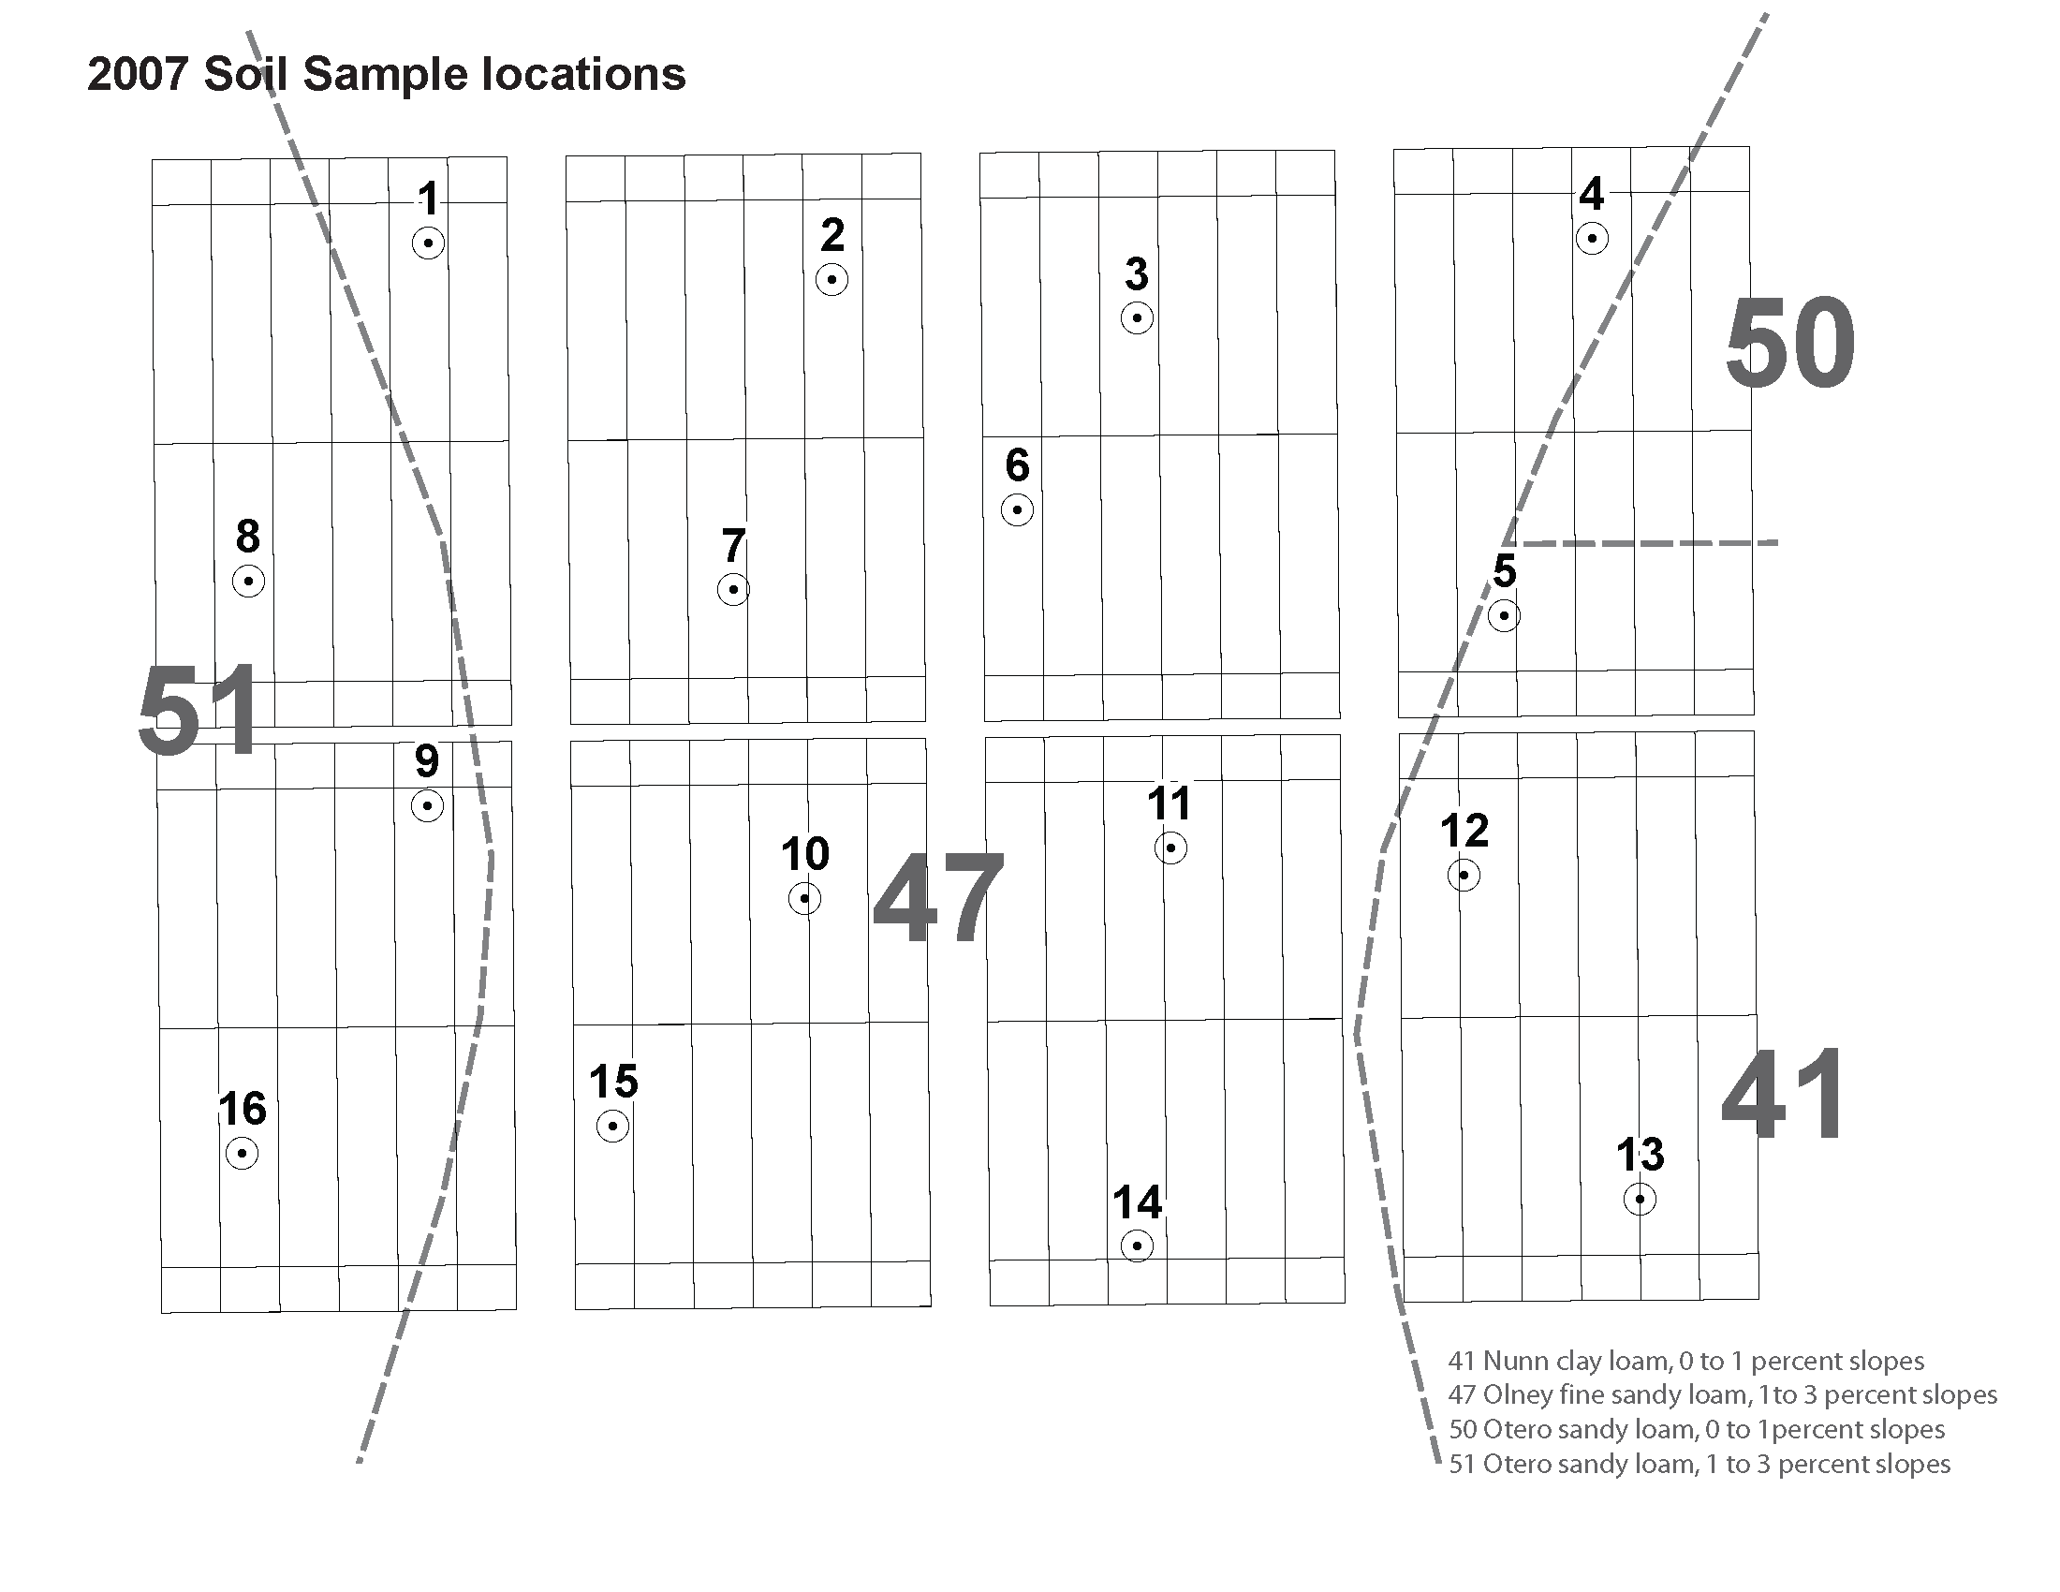
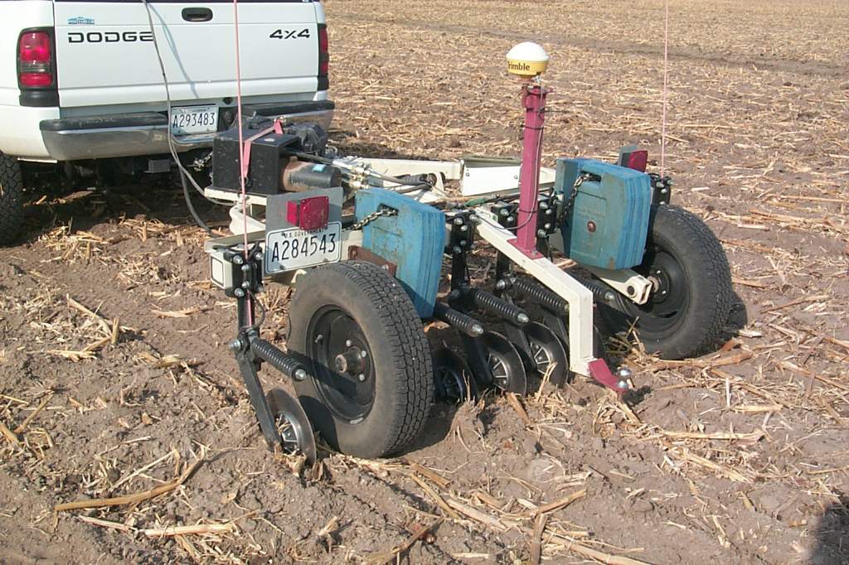
2007 Soil Sampling Locations and 2007, 2008, and 2012 EC Maps
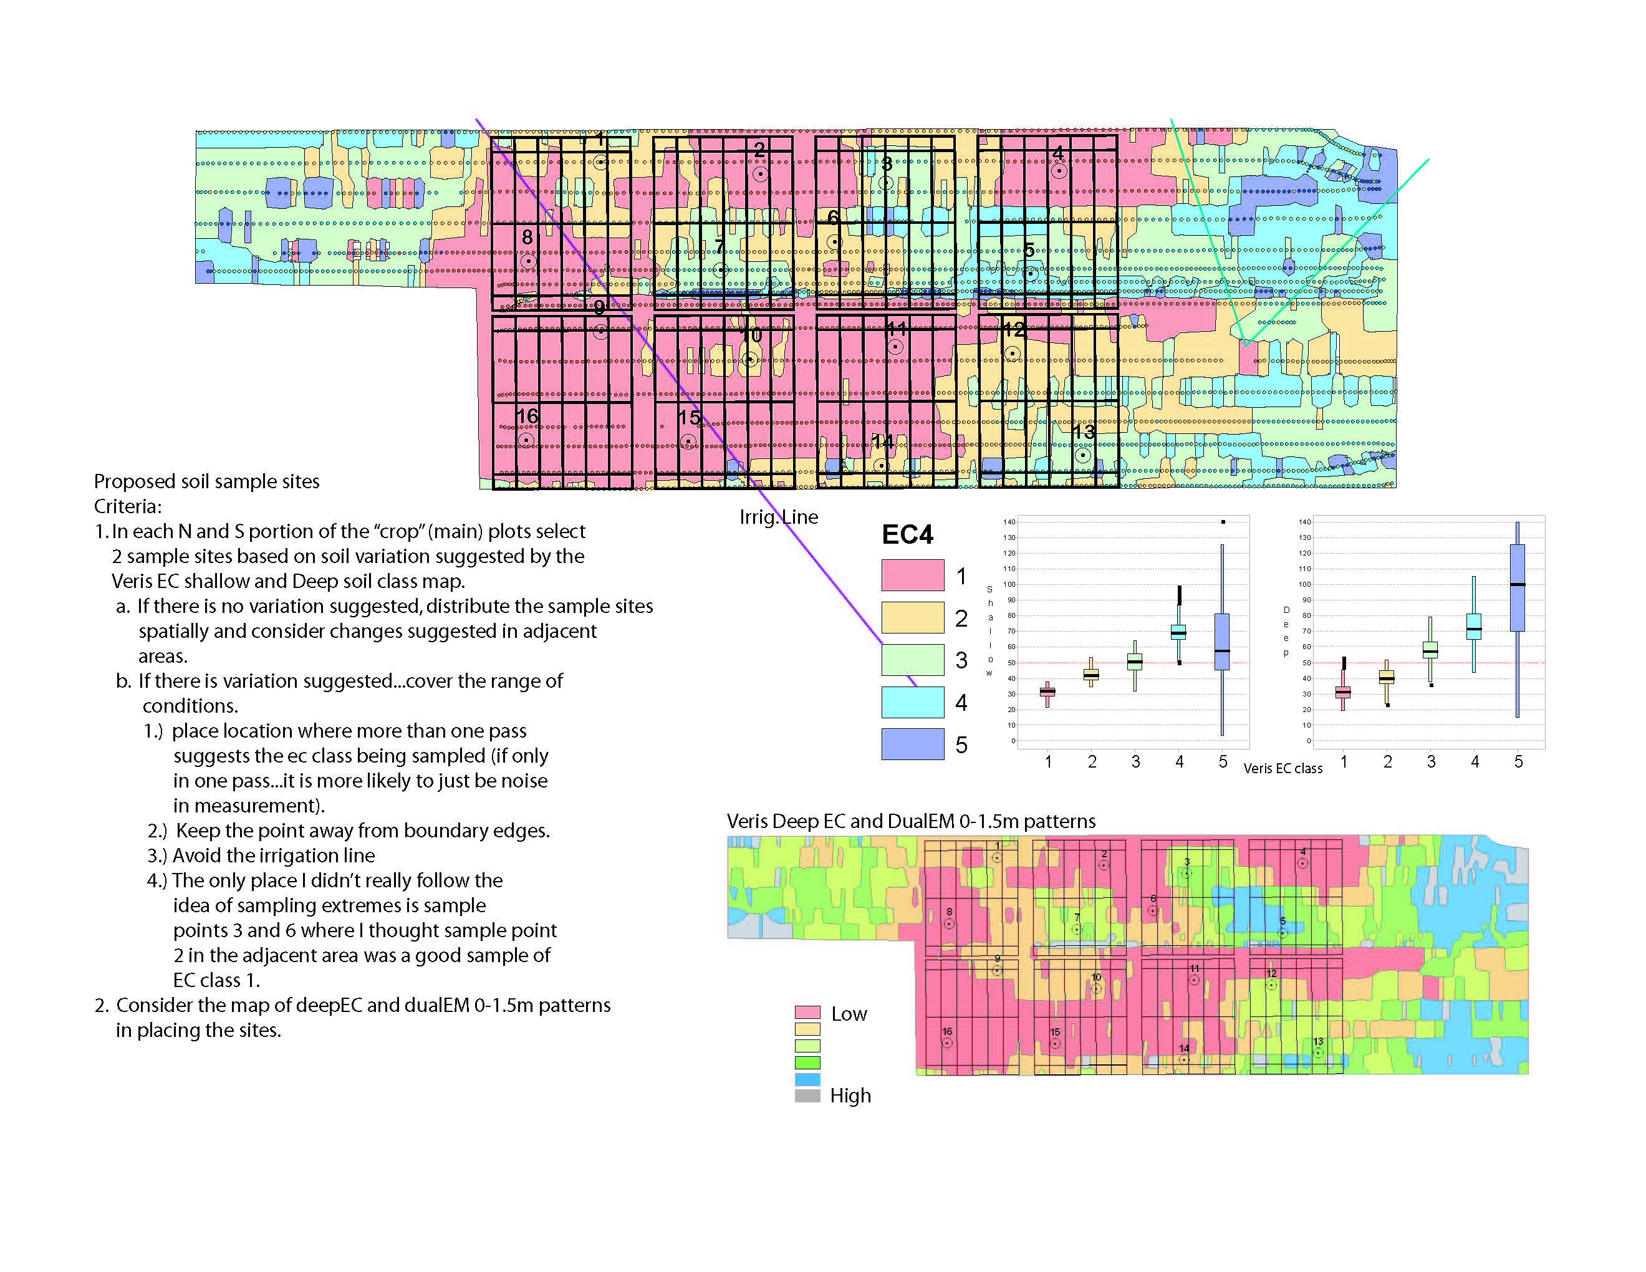

 |  |  |  |  |  |  |  |  |  | Veris Soil Electrical Conductivity (EC) measurement tool.

 |  | NRCS Soil Survey Map of Plots

 |  | Catagorization of soil sampling sites based on Veris EC surveys
 |  | <1.5 | Low |  | 2 - 3 | Medium |  | 3 - 4 | High
 |  | Veris Map Texture Class
 |  | Core | Section | Block | NRCS | 2007 | 2008 | 2012 | 2012
 |  | Sample |  |  | Map Unit |  |  | Shallow | Deep
 |  | 1 | A | 1 | 47 | 2 | 2 | 2.5 | 3.5
 |  | 2 | B | 1 | 47 | 1 |  | 1 | 1.5
 |  | 3 | C | 1 | 47 | 3 | 3 | 3.5 | 3.5
 |  | 4 | D | 1 | 47 | 1 | 1 | 1 | 1
 |  | 5 | D | 2 | 41 | 3 | 3.5 | 4 | 3.5
 |  | 6 | C | 2 | 47 | 2 | 2 | 2 | 2
 |  | 7 | B | 2 | 47 | 3 |  | 3.5 | 3
 |  | 8 | A | 2 | 51 | 1 | 1 | 1.5 | 1
 |  | 9 | A | 3 | 51 | 1 | 1 | 1 | 2
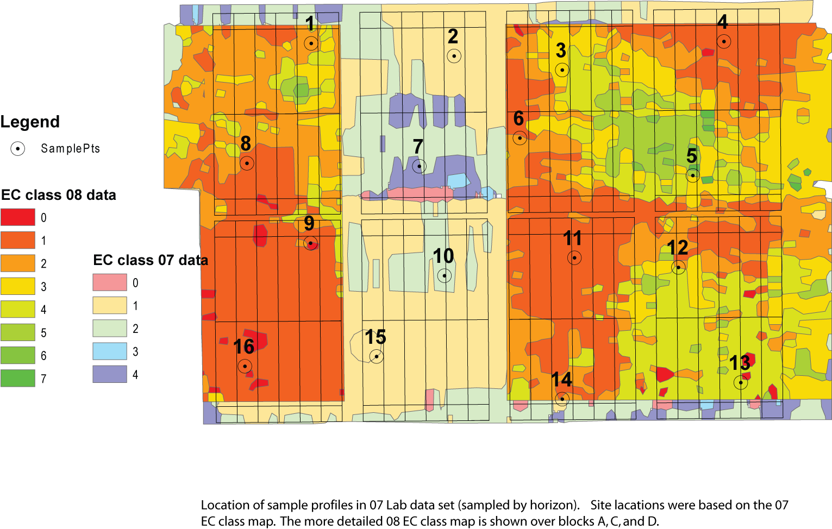
 |  | 10 | B | 3 | 47 | 2 |  | 2 | 2
 |  | 11 | C | 3 | 47 | 2 | 1 | 1 | 2
 |  | 12 | D | 3 | 41 | 2 | 3.5 | 2.5 | 2.5
 |  | 13 | D | 4 | 41 | 3 | 5 | 2 | 2
 |  | 14 | C | 4 | 47 | 2 | 2 | 3 | 3
 |  | 15 | B | 4 | 47 | 1 |  | 1 | 1
 |  | 16 | A | 4 | 51 | 1 | 1 | 1 | 1

 |  | Core Samples ranked by Veris Texture Class
 |  | Veris Map Texture Class
 |  | Core | Section | Block | NRCS | 2007 | 2008 | 2012 | 2012
 |  | Sample |  |  | Map Unit |  |  | Shallow | Deep
 |  | 4 | D | 1 | 47 | 1 | 1 | 1 | 1
 |  | 15 | B | 4 | 47 | 1 |  | 1 | 1
 |  | 16 | A | 4 | 51 | 1 | 1 | 1 | 1
 |  | 8 | A | 2 | 51 | 1 | 1 | 1.5 | 1
 |  | 9 | A | 3 | 51 | 1 | 1 | 1 | 2
 |  | 2 | B | 1 | 47 | 1 |  | 1 | 1.5
 |  | 11 | C | 3 | 47 | 2 | 1 | 1 | 2
 |  | 6 | C | 2 | 47 | 2 | 2 | 2 | 2
 |  | 10 | B | 3 | 47 | 2 |  | 2 | 2
 |  | 1 | A | 1 | 47 | 2 | 2 | 2.5 | 3.5
 |  | 14 | C | 4 | 47 | 2 | 2 | 3 | 3
 |  | 12 | D | 3 | 41 | 2 | 3.5 | 2.5 | 2.5
 |  | 13 | D | 4 | 41 | 3 | 5 | 2 | 2
 |  | 7 | B | 2 | 47 | 3 |  | 3.5 | 3
 |  | 3 | C | 1 | 47 | 3 | 3 | 3.5 | 3.5
 |  | 5 | D | 2 | 41 | 3 | 3.5 | 4 | 3.5

2008 Veris EC Maps for sections A, C, and D (2007 Veris map shown in section B)

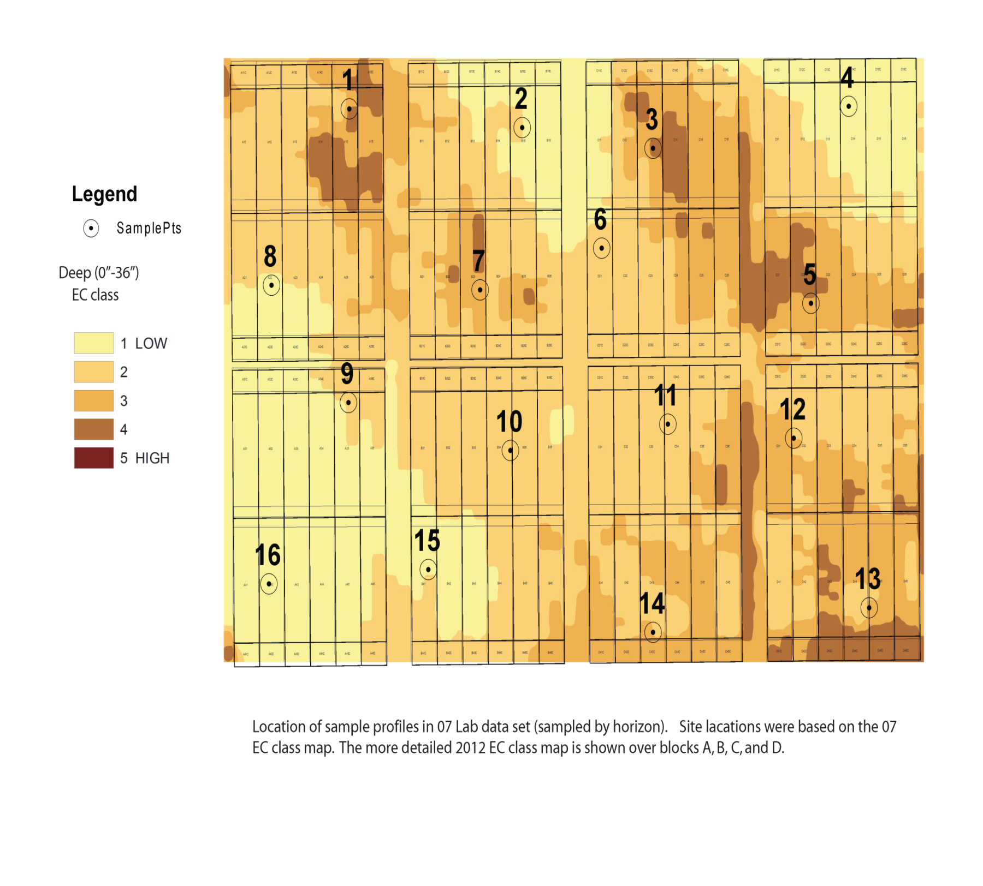
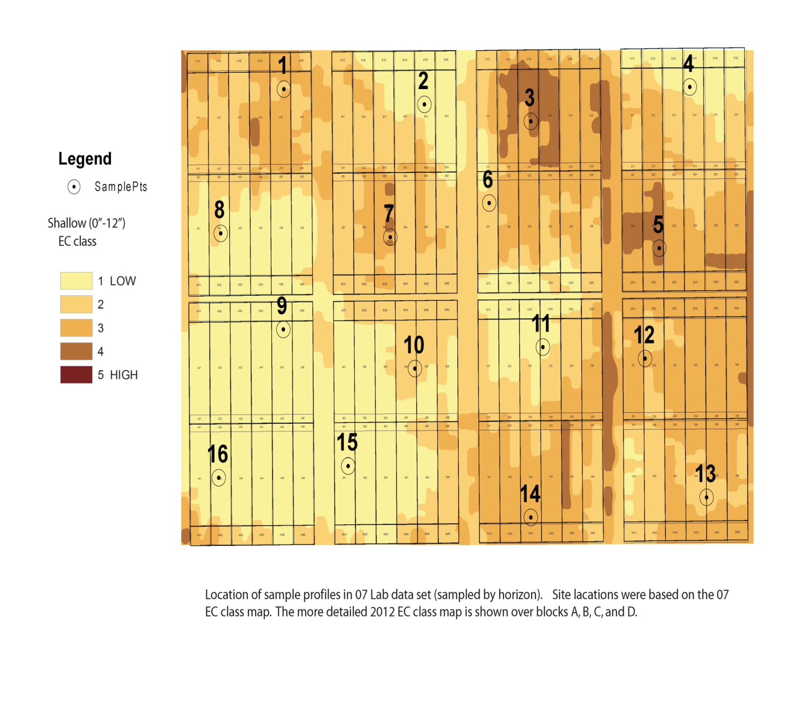

2012 Veris Sampling - Shallow | 2012 Veris Sampling - Deep

 |  |  |  |  |  |  | 2012 VERIS Map - deep

